Data
Sample | Salary (₦)
1 | 6,853,500.00
2 | 6,693,500.00
3 | 8,163,500.00 | Step 1: Perform Descriptive Statistics
4 | 8,813,500.00 | Sample Size (n) | 25
5 | 8,163,500.00 | Sample mean ( x̄ ) | 7,620,700
6 | 9,273,500.00 | Sample Standard Deviation (s) | 1,103,923
7 | 6,963,500.00
8 | 7,223,500.00
9 | 7,513,500.00
10 | 8,853,500.00 | Step 2: Develop Null and Alternative Hypothesis
11 | 6,843,500.00
12 | 6,663,500.00 | Null Hypothesis Ho: | µ | >= | 8,093,500
13 | 8,033,500.00 | Alternative Hypothesis Ha: | µ | < | 8093500
14 | 7,523,500.00 | Decision on Type of Test | One-tailed(left-tailed) Test
15 | 6,963,500.00
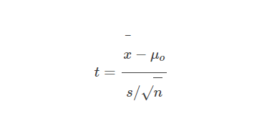
16 | 7,553,500.00
17 | 7,863,500.00 | Step 3: Calculate the Test-Statistic
18 | 9,433,500.00 | Test Statistic t: | 7,620,663.34
19 | 7,473,500.00 | Degrees of freedom (n-1) | 24
20 | 9,223,500.00 | Standard Error (s/sqrt(n)) | 220,784.60
21 | 8,563,500.00
22 | 6,013,500.00
23 | 8,633,500.00 | Step 4: Compute the P-Value for the Test
24 | 5,243,500.00 | P-value i.e. P(µ <= ) | 1
25 | 5,973,500.00

 |  | Step 5: Make Decision at α < 0.05

